Results
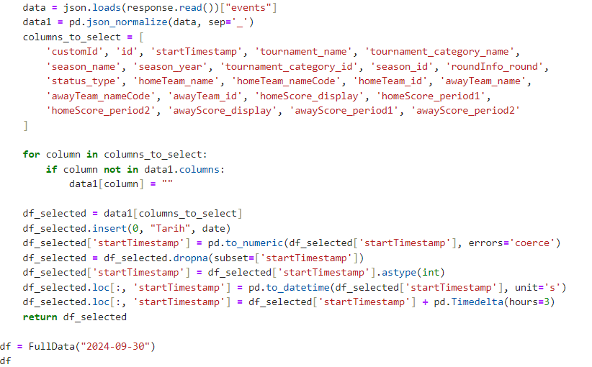
Results

Bitmiş maçlar için arşivleme yapılması adına oluşturulmuştur. | ResultData
Bu veriler üzerinden temel olarak maç ile ilgili bilgiler bulunmaktadır. | ResultHamData
bu bilgilerden yola çıkarak maçlarla ilgili diğer bilgiler çekilecektir. | Fonksiyon

EndPoint | /api/v1/sport/football/scheduled-events/'+str(date)
Filter Data | Filtrelenmiş Veri |  | Veri Çekimi
customId | FsR | Vsab
id | 12436906 | 12436908
startTimestamp | 1725103800 | 1725112800
tournament_name | Premier League | Premier League
tournament_category_name | England | England
season_name | Premier League 24/25 | Premier League 24/25
season_year | 24/25 | 24/25
 | 1 | 1
season_id | 61627 | 61627
roundInfo_round | 3 | 3
status_type | finished | finished
homeTeam_name | Arsenal | Brentford
homeTeam_nameCode | ARS | BRE
homeTeam_id | 42 | 50
awayTeam_name | Brighton & Hove Albion | Southampton
awayTeam_nameCode | BHA | SOU
awayTeam_id | 30 | 45
homeScore_display | 1 | 3
homeScore_period1 | 1 | 1
homeScore_period2 | 0 | 2
awayScore_display | 1 | 1
awayScore_period1 | 0 | 0
awayScore_period2 | 1 | 1

Ham Data
EndPoint | /api/v1/sport/football/scheduled-events/'+str(date)

customId | FsR | Vsab
winnerCode | 3 | 1
hasGlobalHighlights | TRUE | TRUE
hasEventPlayerStatistics | TRUE | TRUE
hasEventPlayerHeatMap | TRUE | TRUE
detailId | 1 | 1
crowdsourcingDataDisplayEnabled | FALSE | FALSE
id | 12436906 | 12436908
homeRedCards | 1
crowdsourcingEnabled | FALSE | FALSE
startTimestamp | 1725103800 | 1725112800
slug | arsenal-brighton-and-hove-albion | brentford-southampton
finalResultOnly | FALSE | FALSE
feedLocked | FALSE | FALSE
isEditor | FALSE | FALSE
tournament_name | Premier League | Premier League
tournament_slug | premier-league | premier-league
tournament_category_name | England | England
tournament_category_slug | england | england
tournament_category_sport_name | Football | Football
tournament_category_sport_slug | football | football
tournament_category_sport_id | 1 | 1
tournament_category_id | 1 | 1
tournament_category_country_alpha2 | EN | EN
tournament_category_country_alpha3 | ENG | ENG
tournament_category_country_name | England | England
tournament_category_flag | england | england
tournament_category_alpha2 | EN | EN
tournament_uniqueTournament_name | Premier League | Premier League
tournament_uniqueTournament_slug | premier-league | premier-league
tournament_uniqueTournament_category_name | England | England
tournament_uniqueTournament_category_slug | england | england
tournament_uniqueTournament_category_sport_name | Football | Football
tournament_uniqueTournament_category_sport_slug | football | football
tournament_uniqueTournament_category_sport_id | 1 | 1
tournament_uniqueTournament_category_id | 1 | 1
tournament_uniqueTournament_category_country_alpha2 | EN | EN
tournament_uniqueTournament_category_country_alpha3 | ENG | ENG
tournament_uniqueTournament_category_country_name | England | England
tournament_uniqueTournament_category_flag | england | england
tournament_uniqueTournament_category_alpha2 | EN | EN
tournament_uniqueTournament_userCount | 1880773 | 1880773
tournament_uniqueTournament_id | 17 | 17
tournament_uniqueTournament_hasEventPlayerStatistics | TRUE | TRUE
tournament_uniqueTournament_displayInverseHomeAwayTeams | FALSE | FALSE
tournament_priority | 608 | 608
tournament_id | 1 | 1
season_name | Premier League 24/25 | Premier League 24/25
season_year | 24/25 | 24/25
season_editor | FALSE | FALSE
season_id | 61627 | 61627
roundInfo_round | 3 | 3
status_code | 100 | 100
status_description | Ended | Ended
status_type | finished | finished
homeTeam_name | Arsenal | Brentford
homeTeam_slug | arsenal | brentford
homeTeam_shortName | Arsenal | Brentford
homeTeam_sport_name | Football | Football
homeTeam_sport_slug | football | football
homeTeam_sport_id | 1 | 1
homeTeam_userCount | 2126591 | 322509
homeTeam_nameCode | ARS | BRE
homeTeam_disabled | FALSE | FALSE
homeTeam_national | FALSE | FALSE
homeTeam_type | 0 | 0
homeTeam_id | 42 | 50
homeTeam_country_alpha2 | EN | EN
homeTeam_country_alpha3 | ENG | ENG
homeTeam_country_name | England | England
homeTeam_subTeams | [] | []
homeTeam_teamColors_primary | #374df5 | #374df5
homeTeam_teamColors_secondary | #374df5 | #374df5
homeTeam_teamColors_text | #ffffff | #ffffff
homeTeam_fieldTranslations_nameTranslation_ar | أرسنال | برينتفورد
homeTeam_fieldTranslations_nameTranslation_ru | Арсенал | Брентфорд
awayTeam_name | Brighton & Hove Albion | Southampton
awayTeam_slug | brighton-and-hove-albion | southampton
awayTeam_shortName | Brighton | Southampton
awayTeam_sport_name | Football | Football
awayTeam_sport_slug | football | football
awayTeam_sport_id | 1 | 1
awayTeam_userCount | 552337 | 185096
awayTeam_nameCode | BHA | SOU
awayTeam_disabled | FALSE | FALSE
awayTeam_national | FALSE | FALSE
awayTeam_type | 0 | 0
awayTeam_id | 30 | 45
awayTeam_country_alpha2 | EN | EN
awayTeam_country_alpha3 | ENG | ENG
awayTeam_country_name | England | England
awayTeam_subTeams | [] | []
awayTeam_teamColors_primary | #374df5 | #374df5
awayTeam_teamColors_secondary | #374df5 | #374df5
awayTeam_teamColors_text | #ffffff | #ffffff
awayTeam_fieldTranslations_nameTranslation_ar | برايتون أند هوف ألبيون | ساوثهامتون
awayTeam_fieldTranslations_nameTranslation_ru | Брайтон энд Хоув Альбион | Саутгемптон
homeScore_current | 1 | 3
homeScore_display | 1 | 3
homeScore_period1 | 1 | 1
homeScore_period2 | 0 | 2
homeScore_normaltime | 1 | 3
awayScore_current | 1 | 1
awayScore_display | 1 | 1
awayScore_period1 | 0 | 0
awayScore_period2 | 1 | 1
awayScore_normaltime | 1 | 1
time_injuryTime1 | 4 | 3
time_injuryTime2 | 6 | 6
time_currentPeriodStartTimestamp | 1725107682 | 1725116654
changes_changes | ['status.code', 'status.description', 'status.type'] | ['status.code', 'status.description', 'status.type', 'awayScore.period2', 'awayScore.normaltime']
changes_changeTimestamp | 1725110761 | 1725119749
awayRedCards
tournament_uniqueTournament_crowdsourcingEnabled
tournament_uniqueTournament_hasPerformanceGraphFeature
season_seasonCoverageInfo_editorCoverageLevel
aggregatedWinnerCode
previousLegEventId
tournament_isGroup
tournament_isLive
roundInfo_name
roundInfo_cupRoundType
homeTeam_gender
awayTeam_gender
homeScore_aggregated
awayScore_aggregated
homeScore_penalties
awayScore_penalties
coverage

GolDk
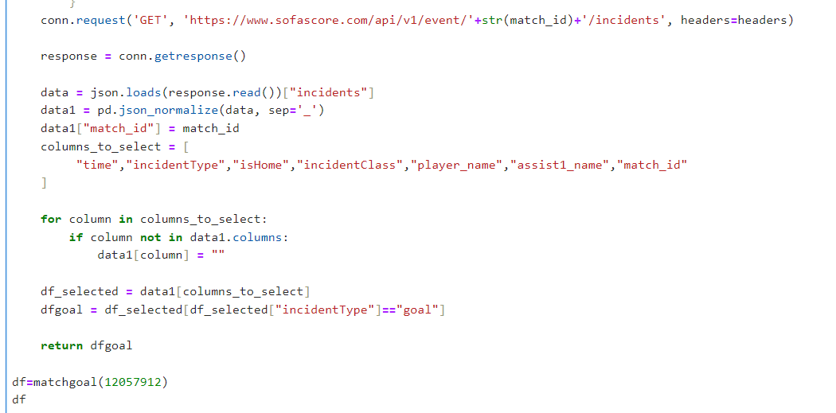
Gol Dakikaları
 |  |  |  |  |  | Goldakika
Bitmiş Maçların Gol Dakikaları alınır. |  |  |  |  |  | Goldakikaham
Takım isimleri result verilerinden alınabilir. |  |  |  |  |  | fonksiyon

time | 52 | 48 | 36 | 21
incidentType | goal | goal | goal | goal
isHome | TRUE | TRUE | FALSE | TRUE
incidentClass | penalty | regular | ownGoal | regular
player_name | Kevin De Bruyne | Youri Tielemans | Timothy Castagne | Kevin De Bruyne
assist1_name |  | Loïs Openda |  | Jérémy Doku
match_id | 12057912 | 12057912 | 12057912 | 12057912

text | FT |  |  |  |  |  |  |  |  |  |  |  |  |  |  |  | HT
homeScore | 3 |  |  |  |  |  |  |  |  |  |  |  |  |  | 3 | 2 | 1 |  | 1 |  | 1
awayScore | 1 |  |  |  |  |  |  |  |  |  |  |  |  |  | 1 | 1 | 1 |  | 1 |  | 0
isLive | FALSE |  |  |  |  |  |  |  |  |  |  |  |  |  |  |  | FALSE
time | 90 | 90 | 82 | 80 | 77 | 74 | 74 | 68 | 64 | 64 | 64 | 63 | 63 | 56 | 52 | 48 | 45 | 45 | 36 | 33 | 21
addedTime | 999 | 0 |  |  |  |  |  |  |  |  |  |  |  |  |  |  | 999 | 0
reversedPeriodTime | 1 | 1 | 9 | 11 | 14 | 17 | 17 | 23 | 27 | 27 | 27 | 28 | 28 | 35 | 39 | 43 | 1 | 1 | 10 | 13 | 25
incidentType | period | injuryTime | substitution | substitution | card | substitution | substitution | substitution | substitution | substitution | substitution | substitution | substitution | inGamePenalty | goal | goal | period | injuryTime | goal | card | goal
length |  | 4 |  |  |  |  |  |  |  |  |  |  |  |  |  |  |  | 2
id |  |  | 123017765 | 123017752 | 121532061 | 123017714 | 123017713 | 123017694 | 123017657 | 123017660 | 123017656 | 123017659 | 123017658 | 118488262 | 186762562 | 186762451 |  |  | 186761157 | 121531956 | 186760399
injury |  |  | FALSE | FALSE |  | FALSE | FALSE | FALSE | FALSE | TRUE | FALSE | FALSE | FALSE
isHome |  |  | TRUE | FALSE | TRUE | TRUE | TRUE | FALSE | TRUE | FALSE | TRUE | FALSE | FALSE | TRUE | TRUE | TRUE |  |  | FALSE | FALSE | TRUE
incidentClass |  |  | regular | regular | yellow | regular | regular | regular | regular | injury | regular | regular | regular | missed | penalty | regular |  |  | ownGoal | yellow | regular
playerIn_name |  |  | Johan Bakayoko | Dan Biton |  | Arne Engels | Julien Duranville | Mahmoud Jaber | Zeno Debast | Dean David | Charles De Ketelaere | Roy Revivo | Dor Peretz
playerIn_firstName |  |  | Johan Bakayoko |  |  |  |  |  |  |  |  | Roy Revivo
playerIn_lastName
playerIn_slug |  |  | johan-bakayoko | dan-biton |  | engels-arne | julien-duranville | jaber-mahmoud | zeno-debast | dean-david | charles-de-ketelaere | roy-revivo | dor-peretz
playerIn_shortName |  |  | J. Bakayoko | D. Biton |  | A. Engels | J. Duranville | M. Jaber | Z. Debast | D. David | C. De Ketelaere | R. Revivo | D. Peretz
playerIn_position |  |  | F | M |  | M | F | M | D | F | F | D | M
playerIn_jerseyNumber |  |  | 11 | 10 |  | 27 | 16 | 26 | 6 | 21 | 17 | 3 | 42
playerIn_userCount |  |  | 6142 | 96 |  | 978 | 2815 | 79 | 2149 | 302 | 12125 | 120 | 227
playerIn_id |  |  | 1088896 | 796187 |  | 1001867 | 1171540 | 905041 | 1126512 | 305964 | 960441 | 1142085 | 186953
playerIn_marketValueCurrency |  |  | EUR | EUR |  | EUR | EUR | EUR | EUR | EUR | EUR | EUR | EUR
playerIn_dateOfBirthTimestamp |  |  | 1050796800 | 806198400 |  | 1062979200 | 1146787200 | 939081600 | 1066953600 | 826761600 | 984182400 | 1053561600 | 800668800
playerIn_fieldTranslations_nameTranslation_ar |  |  | جون باكايوكو |  |  | ارني انجيلس | جوليان دورانفيل | جابر, محمود | زينو ديباست | ديفيد، عميد الكلية | دي كاتيلايير, تشارلز | روي رفيفو | دور بيريتز
playerIn_fieldTranslations_shortNameTranslation_ar |  |  | ج. باكايوكو |  |  | ا. انجيلس | ج. دورانفيل | م. جابر | ز. ديباست | د. ع. الكلية | ت. د. كاتيلايير | ر. رفيفو | د. بيريتز
playerOut_name |  |  | Dodi Lukebakio | Manor Solomon |  | Youri Tielemans | Jérémy Doku | Mohammad Abu Fani | Maxim De Cuyper | Denny Gropper | Loïs Openda | Omri Gandelman | Oscar Gloukh
playerOut_slug |  |  | dodi-lukebakio | manor-solomon |  | youri-tielemans | jeremy-doku | mohammad-abu-fani | maxim-de-cuyper | danny-gruper | lois-openda | omri-gandelman | oscar-gloukh
playerOut_shortName |  |  | D. Lukebakio | M. Solomon |  | Y. Tielemans | J. Doku | M. A. Fani | M. De Cuyper | D. Gropper | L. Openda | O. Gandelman | O. Gloukh
playerOut_position |  |  | F | F |  | M | F | M | D | D | F | M | M
playerOut_jerseyNumber |  |  | 11 | 14 |  | 8 | 10 | 15 | 55 | 14 | 9 | 6 | 30
playerOut_userCount |  |  | 3145 | 3362 |  | 8573 | 49830 | 320 | 1907 | 70 | 14167 | 345 | 2403
playerOut_id |  |  | 823631 | 862223 |  | 331737 | 934386 | 836849 | 997152 | 993378 | 835480 | 1019125 | 1155158
playerOut_marketValueCurrency |  |  | EUR | EUR |  | EUR | EUR | EUR | EUR | EUR | EUR | EUR | EUR
playerOut_dateOfBirthTimestamp |  |  | 875059200 | 932774400 |  | 862963200 | 1022457600 | 893635200 | 977443200 | 921542400 | 950659200 | 958435200 | 1080777600
playerOut_fieldTranslations_nameTranslation_ar |  |  | لوكيباكيو, دودي | مانور سولومون |  | تيليمانس, يوري | دوكو, جيريمي | محمد ابو فاني | مكسيم دي كويبر |  | أوبندا ، لويس | عمري جندلمان | أوسكار غلوخ
playerOut_fieldTranslations_shortNameTranslation_ar |  |  | د. لوكيباكيو | م. سولومون |  | ي. تيليمانس | ج. دوكو | م. ا. فاني | م. د. كويبر |  | أ. ، لويس | ع. جندلمان | أ. غلوخ
playerName |  |  |  |  | Kevin De Bruyne |  |  |  |  |  |  |  |  |  |  |  |  |  |  | Mohammad Abu Fani
reason |  |  |  |  | Foul |  |  |  |  |  |  |  |  | goalkeeperSave |  |  |  |  |  | Foul
rescinded |  |  |  |  | FALSE |  |  |  |  |  |  |  |  |  |  |  |  |  |  | FALSE
player_name |  |  |  |  | Kevin De Bruyne |  |  |  |  |  |  |  |  | Loïs Openda | Kevin De Bruyne | Youri Tielemans |  |  | Timothy Castagne | Mohammad Abu Fani | Kevin De Bruyne
player_slug |  |  |  |  | kevin-de-bruyne |  |  |  |  |  |  |  |  | lois-openda | kevin-de-bruyne | youri-tielemans |  |  | timothy-castagne | mohammad-abu-fani | kevin-de-bruyne
player_shortName |  |  |  |  | K. De Bruyne |  |  |  |  |  |  |  |  | L. Openda | K. De Bruyne | Y. Tielemans |  |  | T. Castagne | M. A. Fani | K. De Bruyne
player_position |  |  |  |  | M |  |  |  |  |  |  |  |  | F | M | M |  |  | D | M | M
player_jerseyNumber |  |  |  |  | 7 |  |  |  |  |  |  |  |  | 9 | 7 | 8 |  |  | 21 | 15 | 7
player_userCount |  |  |  |  | 313854 |  |  |  |  |  |  |  |  | 14167 | 313854 | 8573 |  |  | 2992 | 320 | 313854
player_id |  |  |  |  | 70996 |  |  |  |  |  |  |  |  | 835480 | 70996 | 331737 |  |  | 329417 | 836849 | 70996
player_marketValueCurrency |  |  |  |  | EUR |  |  |  |  |  |  |  |  | EUR | EUR | EUR |  |  | EUR | EUR | EUR
player_dateOfBirthTimestamp |  |  |  |  | 678067200 |  |  |  |  |  |  |  |  | 950659200 | 678067200 | 862963200 |  |  | 818121600 | 893635200 | 678067200
player_fieldTranslations_nameTranslation_ar |  |  |  |  | دي بروين, كيفين |  |  |  |  |  |  |  |  | أوبندا ، لويس | دي بروين, كيفين | تيليمانس, يوري |  |  | تيموثي كاستاني | محمد ابو فاني | دي بروين, كيفين
player_fieldTranslations_shortNameTranslation_ar |  |  |  |  | ك. د. بروين |  |  |  |  |  |  |  |  | أ. ، لويس | ك. د. بروين | ي. تيليمانس |  |  | ت. كاستاني | م. ا. فاني | ك. د. بروين
playerOut_firstName |  |  |  |  |  |  |  |  |  |  |  | Omri Gandelman | Oscar Gloukh
playerOut_lastName
description |  |  |  |  |  |  |  |  |  |  |  |  |  | Goalkeeper save
player_firstName
player_lastName
from |  |  |  |  |  |  |  |  |  |  |  |  |  |  | penalty |  |  |  | owngoal
footballPassingNetworkAction |  |  |  |  |  |  |  |  |  |  |  |  |  |  | [] | [{'player': {'name': 'Dodi Lukebakio', 'slug': 'dodi-lukebakio', 'shortName': 'D. Lukebakio', 'position': 'F', 'jerseyNumber': '11', 'userCount': 3145, 'id': 823631, 'marketValueCurrency': 'EUR', 'dateOfBirthTimestamp': 875059200, 'fieldTranslations': {'nameTranslation': {'ar': 'لوكيباكيو, دودي'}, 'shortNameTranslation': {'ar': 'د. لوكيباكيو'}}}, 'eventType': 'pass', 'time': 48, 'playerCoordinates': {'x': 79.8, 'y': 7.6}, 'passEndCoordinates': {'x': 69.4, 'y': 18.5}}, {'player': {'name': 'Wout Faes', 'slug': 'wout-faes', 'shortName': 'W. Faes', 'position': 'D', 'jerseyNumber': '4', 'userCount': 2041, 'id': 361696, 'marketValueCurrency': 'EUR', 'dateOfBirthTimestamp': 891561600, 'fieldTranslations': {'nameTranslation': {'ar': 'فايس, ووت'}, 'shortNameTranslation': {'ar': 'و. فايس'}}}, 'eventType': 'pass', 'time': 48, 'playerCoordinates': {'x': 69.1, 'y': 19.2}, 'passEndCoordinates': {'x': 70.2, 'y': 31.3}}, {'player': {'name': 'Amadou Onana', 'slug': 'amadou-onana', 'shortName': 'A. Onana', 'position': 'M', 'jerseyNumber': '6', 'userCount': 6166, 'id': 923973, 'marketValueCurrency': 'EUR', 'dateOfBirthTimestamp': 997920000, 'fieldTranslations': {'nameTranslation': {'ar': 'أونانا ، أمادو مفوم'}, 'shortNameTranslation': {'ar': 'أ. ، أ. مفوم'}}}, 'eventType': 'pass', 'time': 48, 'playerCoordinates': {'x': 70.2, 'y': 31.3}, 'passEndCoordinates': {'x': 65.7, 'y': 20.1}}, {'player': {'name': 'Wout Faes', 'slug': 'wout-faes', 'shortName': 'W. Faes', 'position': 'D', 'jerseyNumber': '4', 'userCount': 2041, 'id': 361696, 'marketValueCurrency': 'EUR', 'dateOfBirthTimestamp': 891561600, 'fieldTranslations': {'nameTranslation': {'ar': 'فايس, ووت'}, 'shortNameTranslation': {'ar': 'و. فايس'}}}, 'eventType': 'pass', 'time': 48, 'playerCoordinates': {'x': 73.1, 'y': 16.7}, 'passEndCoordinates': {'x': 88.4, 'y': 41.9}}, {'player': {'name': 'Loïs Openda', 'firstName': '', 'lastName': '', 'slug': 'lois-openda', 'shortName': 'L. Openda', 'position': 'F', 'jerseyNumber': '9', 'userCount': |  |  | [] |  | [{'player': {'name': 'Youri Tielemans', 'firstName': '', 'lastName': '', 'slug': 'youri-tielemans', 'shortName': 'Y. Tielemans', 'position': 'M', 'jerseyNumber': '8', 'userCount': 8573, 'id': 331737, 'marketValueCurrency': 'EUR', 'dateOfBirthTimestamp': 862963200, 'fieldTranslations': {'nameTranslation': {'ar': 'تيليمانس, يوري'}, 'shortNameTranslation': {'ar': 'ي. تيليمانس'}}}, 'eventType': 'pass', 'time': 21, 'playerCoordinates': {'x': 84.3, 'y': 75.9}, 'passEndCoordinates': {'x': 89.4, 'y': 82.7}}, {'player': {'name': 'Jérémy Doku', 'slug': 'jeremy-doku', 'shortName': 'J. Doku', 'position': 'F', 'jerseyNumber': '10', 'userCount': 49830, 'id': 934386, 'marketValueCurrency': 'EUR', 'dateOfBirthTimestamp': 1022457600, 'fieldTranslations': {'nameTranslation': {'ar': 'دوكو, جيريمي'}, 'shortNameTranslation': {'ar': 'ج. دوكو'}}}, 'eventType': 'pass', 'isAssist': True, 'time': 21, 'playerCoordinates': {'x': 95.9, 'y': 72.7}, 'passEndCoordinates': {'x': 91.2, 'y': 51.2}}, {'player': {'name': 'Kevin De Bruyne', 'slug': 'kevin-de-bruyne', 'shortName': 'K. De Bruyne', 'position': 'M', 'jerseyNumber': '7', 'userCount': 313854, 'id': 70996, 'marketValueCurrency': 'EUR', 'dateOfBirthTimestamp': 678067200, 'fieldTranslations': {'nameTranslation': {'ar': 'دي بروين, كيفين'}, 'shortNameTranslation': {'ar': 'ك. د. بروين'}}}, 'eventType': 'goal', 'bodyPart': 'right-foot', 'time': 21, 'playerCoordinates': {'x': 91.2, 'y': 51.2}, 'gkCoordinates': {'x': 98.8, 'y': 52.2}, 'goalShotCoordinates': {'x': 100, 'y': 51.2}, 'goalMouthCoordinates': {'x': 43.55, 'y': 66.17}, 'goalkeeper': {'name': 'Yoav Gerafi', 'firstName': '', 'lastName': '', 'slug': 'yoav-gerafi', 'shortName': 'Y. Gerafi', 'position': 'G', 'jerseyNumber': '1', 'userCount': 34, 'id': 1130592, 'marketValueCurrency': 'EUR', 'dateOfBirthTimestamp': 746582400, 'fieldTranslations': {'nameTranslation': {'ar': 'يوئاف جيرافي'}, 'shortNameTranslation': {'ar': 'ي. جيرافي'}}}}]
assist1_name |  |  |  |  |  |  |  |  |  |  |  |  |  |  |  | Loïs Openda |  |  |  |  | Jérémy Doku
assist1_firstName
assist1_lastName
assist1_slug |  |  |  |  |  |  |  |  |  |  |  |  |  |  |  | lois-openda |  |  |  |  | jeremy-doku
assist1_shortName |  |  |  |  |  |  |  |  |  |  |  |  |  |  |  | L. Openda |  |  |  |  | J. Doku
assist1_position |  |  |  |  |  |  |  |  |  |  |  |  |  |  |  | F |  |  |  |  | F
assist1_jerseyNumber |  |  |  |  |  |  |  |  |  |  |  |  |  |  |  | 9 |  |  |  |  | 10
assist1_userCount |  |  |  |  |  |  |  |  |  |  |  |  |  |  |  | 14167 |  |  |  |  | 49830
assist1_id |  |  |  |  |  |  |  |  |  |  |  |  |  |  |  | 835480 |  |  |  |  | 934386
assist1_marketValueCurrency |  |  |  |  |  |  |  |  |  |  |  |  |  |  |  | EUR |  |  |  |  | EUR
assist1_dateOfBirthTimestamp |  |  |  |  |  |  |  |  |  |  |  |  |  |  |  | 950659200 |  |  |  |  | 1022457600
assist1_fieldTranslations_nameTranslation_ar |  |  |  |  |  |  |  |  |  |  |  |  |  |  |  | أوبندا ، لويس |  |  |  |  | دوكو, جيريمي
assist1_fieldTranslations_shortNameTranslation_ar |  |  |  |  |  |  |  |  |  |  |  |  |  |  |  | أ. ، لويس |  |  |  |  | ج. دوكو
match_id | 12057912 | 12057912 | 12057912 | 12057912 | 12057912 | 12057912 | 12057912 | 12057912 | 12057912 | 12057912 | 12057912 | 12057912 | 12057912 | 12057912 | 12057912 | 12057912 | 12057912 | 12057912 | 12057912 | 12057912 | 12057912

OyuncuPerformans
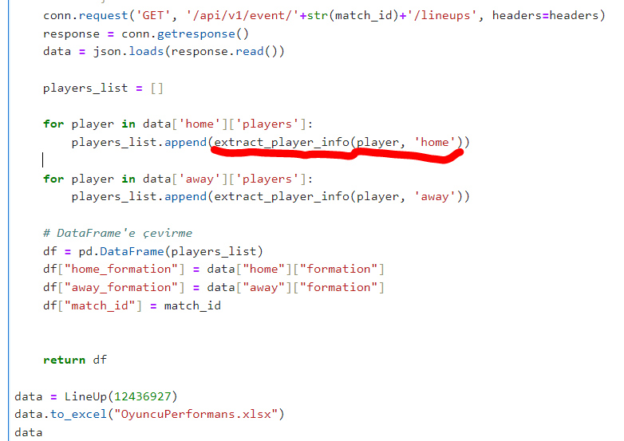
burada ev ve dep takımlarının oyuncu performansları vardır. |  |  | performansdata
burada mac id le ev ve dep takımları alınabilir. |  |  | fonksiyon

bs_team | home | home
bs_name | Alphonse Aréola | Aaron Wan-Bissaka
bs_shortName | A. Aréola | A. Wan-Bissaka
bs_position | G | D
bs_jerseyNumber | 23 | 29
bs_country | France | England
bs_userCount | 4084 | 14248
bs_marketValueCurrency | EUR | EUR
bs_minutesPlayed | 45 | 90
bs_rating | 6.9 | 6.7
at_totalPass | 16 | 32
at_accuratePass | 13 | 26
at_goalAssist | 0 | 0
at_shotOffTarget | 0 | 0
at_onTargetScoringAttempt | 0 | 0
at_bigChanceMissed | 0 | 0
at_expectedGoals | 0 | 0
at_expectedAssists | 0 | 0.0454387
at_keyPass | 0 | 2
at_totalLongBalls | 7 | 2
at_accurateLongBalls | 4 | 0
at_touches | 23 | 56
at_possessionLostCtrl | 3 | 11
de_aerialWon | 0 | 0
de_duelLost | 0 | 3
de_duelWon | 0 | 5
de_challengeLost | 0 | 0
de_dispossessed | 0 | 2
de_totalContest | 0 | 3
de_wonContest | 0 | 3
de_outfielderBlock | 0 | 0
de_totalTackle | 0 | 2
de_fouls | 0 | 1
de_interceptionWon | 0 | 2
de_totalClearance | 0 | 2
go_saves | 3 | 0
go_goalsPrevented | -0.3302 | 0
go_penaltySave | 0 | 0
home_formation | 4-2-3-1 | 4-2-3-1
away_formation | 3-2-4-1 | 3-2-4-1
match_id | 12436927 | 12436927

MacStats
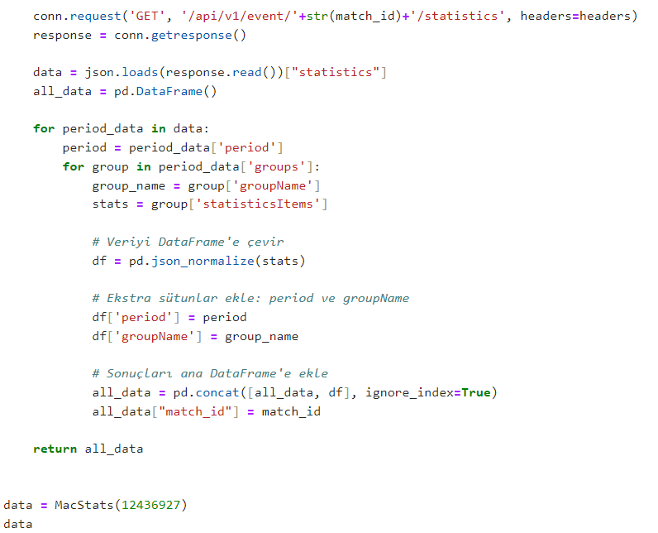
Bu veriler maç istatistiklerini verir. |  |  | Macistatistikleri
match_id ile takım adları alınabilir. |  |  | fonksiyon

name | Ball possession | Expected goals
home | 32% | 0.73
away | 68% | 3.00
compareCode | 2 | 2
statisticsType | positive | positive
valueType | event | event
homeValue | 32 | 0.73
awayValue | 68 | 3
renderType | 2 | 1
key | ballPossession | expectedGoals
period | ALL | ALL
groupName | Match overview | Match overview
match_id | 12436927 | 12436927
homeTotal
awayTotal

PuanDurumu
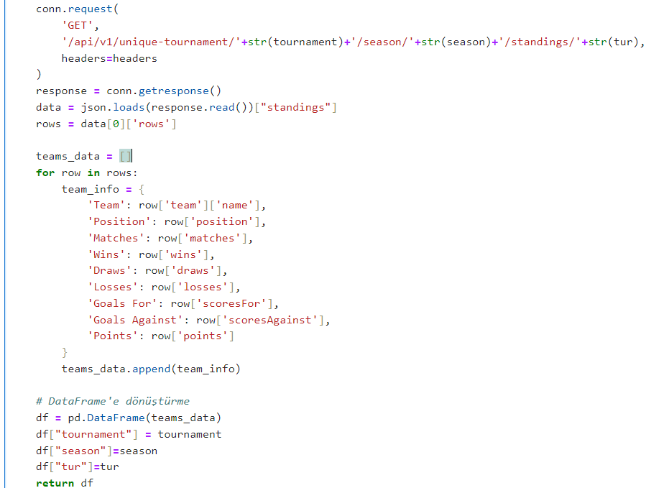
Toplam , ev ve deplasman puan durumları |  |  | puandurumdata
 |  |  | fonksiyon

Team | Fenerbahçe | Galatasaray
Position | 1 | 2
Matches | 4 | 3
Wins | 3 | 3
Draws | 1 | 0
Losses | 0 | 0
Goals For | 11 | 9
Goals Against | 2 | 3
Points | 10 | 9
tournament | 52 | 52
season | 63814 | 63814
tur | total | total

